DashBoard
Hospitality Dashboard


₹ 2,00,75,46,215
Total Revenue
 | Total
Jul-22 | 78,368
May-22 | 78,368
Jun-22 | 75,840
2,32,576
Total Capacity
0.789130578
Utilize Capacity
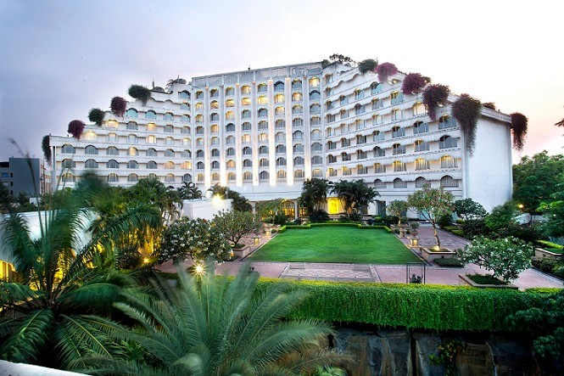

 | Sum of capacity | Sum of successful_bookings
Total | 232576 | 134590
 | Total
May | 1097513
Jun | 1044658
Jul | 1076680
32,18,851
Total Bookings

 | Total
May | 683882555
Jun | 651939535
Jul | 671724125

0.7891
Occupancy

 | May | Jun | Jul
Total | 0.78913057761 | 0.78913057761 | 0.78913057761

WeekDay/weekEnd Revenue&Booking
 | Sum of successful_bookings | Sum of revenue_generated
weekeday | 84,365 | ₹ 1,259,067,580
weekend | 50,225 | ₹ 748,478,635
Revenue By Hotel
 | Total
Atliq Seasons | 77665265
Atliq Grands | 248753815
Atliq Bay | 305234205
Atliq Blu | 306638045
Atliq City | 336647155
Atliq Palace | 357896505
Atliq Exotica | 374711225
Booking Status
 | Total
Cancelled | ₹ 497,958,310
Checked Out | ₹ 1,409,113,965
No Show | ₹ 100,473,940

MonthWise Revenue
 | Total
Jul-22 | ₹ 671,724,125
Jun-22 | ₹ 651,939,535
May-22 | ₹ 683,882,555
WeeklyRevenue, TotalBooking, Capacity
 | Sum of successful_bookings | Sum of capacity | Sum of revenue_generated
W 19 | 10,965 | 17,696 | ₹ 163,172,505
W 20 | 10,958 | 17,696 | ₹ 163,281,645
W 21 | 9,042 | 17,696 | ₹ 134,713,445
W 22 | 10,934 | 17,696 | ₹ 163,548,270
W 23 | 9,089 | 17,696 | ₹ 135,292,075
W 24 | 11,041 | 17,696 | ₹ 164,638,555
W 25 | 10,943 | 17,696 | ₹ 163,551,905
W 26 | 9,017 | 17,696 | ₹ 134,528,520
W 27 | 10,962 | 17,696 | ₹ 163,604,250
W 28 | 10,929 | 17,696 | ₹ 163,149,400
W 29 | 11,018 | 17,696 | ₹ 164,451,655
W 30 | 9,020 | 17,696 | ₹ 134,403,455
W 31 | 9,021 | 17,696 | ₹ 134,659,295
W 32 | 1,651 | 2,528 | ₹ 24,551,240

